num reviews
 | Peerspace |  | Giggster |  | Splacer |  | Tagvenue |  | Liquidspace
 | Num | Stars | Num | Stars | Num | Stars | Num | Stars | Room | Num | Stars
1-1 | 138 | 5 | 16 | 5 | 7 | 5 | For whole venue |  | Private meeting room | 1 | 5
1-2 | 5 | 4.5 | 0 |  | 0 |  | 11 | 4.8
2-1 | 95 | 5 | 6 | 5 | 4 | 5
2-2 | 69 | 5 | 25 | 5 | 4 | 4
2-3 | 129 | 5 | 4 | 5 | 0
2-4 | 246 | 5 | 4 | 5 | 3 | 5
2-5 | 12 | 5 | 1 | 5 | not on splacer |  |  |  | Private office | 1 | 1
3-1 | 321 | 5 | 10 | 5 | 5 | 5
3-2 | 356 | 5 | 0 |  | 4 | 5
3-3 | 98 | 5 | 16 | 5 | 1 | 5
3-4 | 82 | 5 | 8 | 5 | 0 |  |  |  | Private meeting room | 5 | 4.2
 |  |  |  |  |  |  |  |  | Team office | 1 | 5
4 | 83 | 5 | 7 | 5 | 0

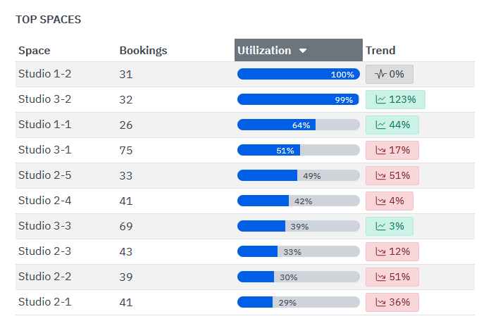
 | Peerspace |  | Giggster |  | Splacer |  | Tagvenue |  | Liquidspace
 | Average | Sum | Average | Sum | Average | Sum | Average | Sum | Average | Sum
1 | 71.5 | 143 | 8 | 16 | 3.5 | 7 | For whole venue |  | 1 | 5
1-1 | 138 | 5 | 16 | 5 | 7 | 5 | 11 | 4.8
2 | 110.2 | 551 | 8 | 40 | 2.75 | 11
3 | 258.3 | 775 | 8.7 | 26 | 3.3 | 10
3-4 | 82 | 82 | 8 | 8 | 0 | 0 |  |  | 3 | 6
4 | 83 | 83 | 7 | 7 | 0 | 0

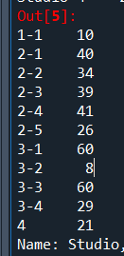
 | Skedda Stats |  |  |  | Spyder Stats
 | Average | Sum |  |  | Average | Sum
1 | 28.5 | 57 |  | 1-1 | 10 | 10
1-1 | 26 | 26 |  | 2 | 36 | 180
2 | 39.4 | 197 |  | 3 | 50.3 | 151.0
3 | 58.7 | 176.0 |  | 3-4 | 29 | 29
3-4 | 31 | 31 |  | 4 | 21 | 21
4 | 22 | 22

